ART
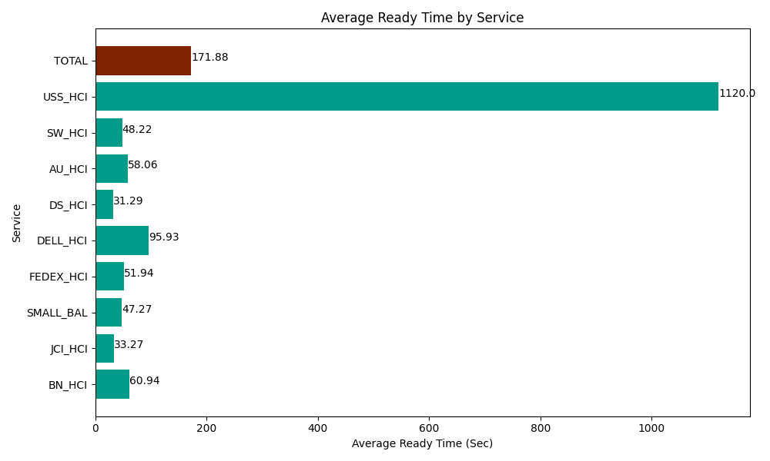
Date | Service | Successful Op Transfer | In Call (Sec) | Ready (Sec) | Wrapup (Sec) | Not Ready (Sec) | Average Ready Time (Sec)
03-25-2024 | BN_HCI | 370 | 29323.800659 | 22546.799927 | 41860.799561 | 31552.800293 | 60.94
03-25-2024 | JCI_HCI | 169 | 15315 | 5623.2000732 | 22723.200073 | 3054.0000916 | 33.27
03-25-2024 | SMALL_BAL | 501 | 31081.201172 | 23683.800659 | 73822.199707 | 69273.00293 | 47.27
03-25-2024 | FEDEX_HCI | 153 | 12844.80011 | 7946.9998169 | 11643.000183 | 12616.200256 | 51.94
03-25-2024 | DELL_HCI | 106 | 9208.7997437 | 10168.799744 | 24826.199341 | 7462.2001648 | 95.93
03-25-2024 | DS_HCI | 509 | 38640 | 15928.800659 | 60253.798828 | 49198.198242 | 31.29
03-25-2024 | AU_HCI | 133 | 8638.2000732 | 7721.9998169 | 9859.2004395 | 5527.2001648 | 58.06
03-25-2024 | SW_HCI | 159 | 7291.7999268 | 7666.1997986 | 13616.999817 | 12781.799927 | 48.22
03-25-2024 | USS_HCI | 3 | 1282.7999496 | 3360 | 20.999999642 | 982.20005035 | 1120
 | TOTAL | 2103 | 153626.40163 | 104646.60049 | 258626.39795 | 192447.60212 | 171.88

